Waste Treatment BATc
E.g. PPC/A/xxxxxxx
E.g. EcoCentric

BATc No. | BATc Requirement: | Additional Description/ Applicability | Operator Response: Please complete the Green Boxes below. [Please incl. link or reference to supporting documentation. If the BAT Conclusion is not applicable, please explain why.] | Compliance Status: Please select from Drop Down List
1. General BAT Conclusions
1.1 Overall Environmental Performance
BAT 1 | In order to improve the overall environmental performance, BAT is to implement and adhere to an environmental management system (EMS) that incorporates all of the following features: | The scope (e.g. level of detail) and nature of the EMS (e.g. standardised or non-standardised) will generally be related to the nature, scale and complexity of the installation, and the range of environmental impacts it may have (determined also by the type and amount of wastes processed).
i | commitment of the management, including senior management;
ii | definition, by the management, of an environmental policy that includes the continuous improvement of the environmental performance of the installation;
iii | planning and establishing the necessary procedures, objectives and targets, in conjunction with financial planning and investment;
iv | implementation of procedures paying particular attention to:
 | (a) structure and responsibility,
 | (b) recruitment, training, awareness and competence,
 | (c) communication,
 | (d) employee involvement,
 | (e) documentation,
 | (f) effective process control,
 | (g) maintenance programmes,
 | (h) emergency preparedness and response,
 | (i) safeguarding compliance with environmental legislation;
v | checking performance and taking corrective action, paying particular attention to:
 | (a) monitoring and measurement (see also the JRC Reference Report on Monitoring of emissions to air and water from IED installations – ROM),
 | (b) corrective and preventive action,
 | (c) maintenance of records,
 | (d) independent (where practicable) internal or external auditing in order to determine whether or not the EMS conforms to planned arrangements and has been properly implemented and maintained;
vi | review, by senior management, of the EMS and its continuing suitability, adequacy and effectiveness;
vii | following the development of cleaner technologies
viii | consideration for the environmental impacts from the eventual decommissioning of the plant at the stage of designing a new plant, and throughout its operating life;
ix | application of sectoral benchmarking on a regular basis;
x | waste stream management (see BAT 2);
xi | an inventory of waste water and waste gas streams (see BAT 3);
xii | residues management plan (see description in Section 6.6.5);
xiii | accident management plan (see description in Section 6.6.5);[see also BAT 21]
xiv | odour management plan (see BAT 12);
xv | noise and vibration management plan (see BAT 17).
BAT 2 | In order to improve the overall environmental performance of the plant, BAT is to use all of the techniques given below.
 | a. Set up and implement waste characterisation and pre-acceptance procedures These procedures aim to ensure the technical (and legal) suitability of waste treatment operations for a particular waste prior to the arrival of the waste at the plant. They include procedures to collect information about the waste input and may include waste sampling and characterisation to achieve sufficient knowledge of the waste composition. Waste pre-acceptance procedures are risk-based considering, for example, the hazardous properties of the waste, the risks posed by the waste in terms of process safety, occupational safety and environmental impact, as well as the information provided by the previous waste holder(s).
 | b. Set up and implement waste acceptance procedures Acceptance procedures aim to confirm the characteristics of the waste, as identified in the pre-acceptance stage. These procedures define the elements to be verified upon the arrival of the waste at the plant as well as the waste acceptance and rejection criteria. They may include waste sampling, inspection and analysis. Waste acceptance procedures are risk-based considering, for example, the hazardous properties of the waste, the risks posed by the waste in terms of process safety, occupational safety and environmental impact, as well as the information provided by the previous waste holder(s).
 | c. Set up and implement a waste tracking system and inventory A waste tracking system and inventory aim to track the location and quantity of waste in the plant. It holds all the information generated during waste pre-acceptance procedures (e.g. date of arrival at the plant and unique reference number of the waste, information on the previous waste holder(s), pre-acceptance and acceptance analysis results, intended treatment route, nature and quantity of the waste held on site including all identified hazards), acceptance, storage, treatment and/or transfer off site. The waste tracking system is risk based considering, for example, the hazardous properties of the waste, the risks posed by the waste in terms of process safety, occupational safety and environmental impact, as well as the information provided by the previous waste holder(s).
 | d. Set up and implement an output quality management system This technique involves setting up and implementing an output quality management system, so as to ensure that the output of the waste treatment is in line with the expectations, using for example existing EN standards. This management system also allows the performance of the waste treatment to be monitored and optimised, and for this purpose may include a material flow analysis of relevant components throughout the waste treatment. The use of a material flow analysis is risk-based considering, for example, the hazardous properties of the waste, the risks posed by the waste in terms of process safety, occupational safety and environmental impact, as well as the information provided by the previous waste holder(s).
...
E.g. EcoCentric
BATc No. | BATc Requirement: | Additional Description/ Applicability | Operator Response: Please complete the Green Boxes below. [Please incl. link or reference to supporting documentation. If the BAT Conclusion is not applicable, please explain why.] | Compliance Status: Please select from Drop Down List
3.1.1 Overall environmental performance
BAT 33 | In order to reduce odour emissions and to improve the overall environmental performance, BAT is to select the waste input.
 | The technique consists of carrying out the pre-acceptance, acceptance and sorting of the waste input (see BAT 2) so as to ensure the suitability of the waste input for the waste treatment, e.g. in terms of nutrient balance, moisture or toxic compounds which may reduce the biological activity.
3.1.2 Emissions to air
BAT 34 | In order to reduce channelled emissions to air of dust, organic compounds and odorous compounds, including H2S and NH3, BAT is to use one or a combination of the techniques given below. | Please indicate which techniques are applied and why others are not appropriate.
 | a) adsorption See Section 6.1.
 | b) biofilter See Section 6.1. A pretreatment of the waste gas before the biofilter (e.g. with a water or acid scrubber) may be needed in the case of a high NH3 content (e.g. 5-40 mg/Nm3) in order to control the media pH and to limit the formation of N2O in the biofilter. Some other odorous compounds (e.g. mercaptans, H2S) can cause acidification of the biofilter media and necessitate the use of a water or alkaline scrubber for pretreatment of the waste gas before the biofilter.
 | c) fabric filter See Section 6.1. The fabric filter is used in the case of mechanical biological treatment of waste
 | d) thermal oxidation See Section 6.1.
 | e) wet scrubbing See Section 6.1. Water, acid or alkaline scrubbers are used in combination with a biofilter, thermal oxidation or adsorption on activated carbon.
 | 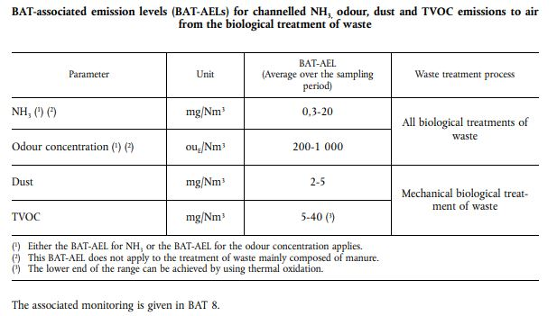
3.1.3 Emissions to water and water usage
BAT 35 | In order to reduce the generation of waste water and to reduce water usage, BAT is to use all of the techniques given below.
 | a) Segregation of water streams Leachate seeping from compost piles and windrows is segregated from surface run-off water (see BAT 19f). | Generally applicable to new plants. Generally applicable to existing plants within the constraints associated with the layout of the water circuits
 | b) water recirculation Recirculating process water streams (e.g. from dewatering of liquid digestate in anaerobic processes) or using as much as possible other water streams (e.g. water condensate, rinsing water, surface run-off water). The degree of recirculation is limited by the water balance of the plant, the content of impurities (e.g. heavy metals, salts, pathogens, odorous compounds) and/or the characteristics of the water streams (e.g. nutrient content). | Generally applicable
 | c) minimisation of the generation of leachate Optimising the moisture content of the waste in order to minimise the generation of leachate. | Generally applicable
3.2 BAT Conclusions for the Aerobic Treatment of Waste Unless otherwise stated, the BAT conclusions presented in this section apply to the aerobic treatment of waste, and in addition to the general BAT conclusions for the biological treatment of waste in Section 3.1.
3.2.1 Overall Environmental Performance
BAT 36 | In order to reduce emissions to air and to improve the overall environmental performance, BAT is to monitor and/or control the key waste and process parameters.
 | Monitoring and/or control of key waste and process parameters, including: — waste input characteristics (e.g. C to N ratio, particle size); — temperature and moisture content at different points in the windrow; — aeration of the windrow (e.g. via the windrow turning frequency, O2 and/or CO2 concentration in the windrow, temperature of air streams in the case of forced aeration); — windrow porosity, height and width. | Monitoring of the moisture content in the windrow is not applicable to enclosed processes when health and/or safety issues have been identified. In that case, the moisture content can be monitored before loading the waste into the enclosed composting stage and adjusted when it exits the enclosed composting stage.
3.2.2 Odour and diffuse emissions to air
...
E.g. EcoCentric
BATc No. | BATc Requirement: | Additional Description/ Applicability | Operator Response: Please complete the Green Boxes below. [Please incl. link or reference to supporting documentation. If the BAT Conclusion is not applicable, please explain why.] | Compliance Status: Please select from Drop Down List
 | a) material recovery Solvents are recovered from the distillation residues by evaporation. | Applicability may be restricted when the energy demand is excessive with regards to the quantity of solvent recovered.
 | b) energy recovery The residues from distillation are used to recover energy. | Generally applicable
4.4.2 Emissions to air
BAT 47 | In order to reduce emissions of organic compounds to air, BAT is to apply BAT 14d and to use a combination of the techniques given below. | Please indicate which techniques are applied and why others are not appropriate.
 | a) recirculation of process off-gases in a steam boiler The process off-gases from the condensers are sent to the steam boiler supplying the plant. | May not be applicable to the treatment of halogenated solvent wastes, in order to avoid generating and emitting PCBs and/or PCDD/F.
 | b) adsorption See Section 6.1. | There may be limitations to the applicability of the technique due to safety reasons (e.g. activated carbon beds tend to self-ignite when loaded with ketones).
 | c) thermal oxidation See Section 6.1. | May not be applicable to the treatment of halogenated solvent wastes, in order to avoid generating and emitting PCBs and/or PCDD/F.
 | d) condensation or cryogenic condensation See Section 6.1. | Generally applicable.
 | e) wet scrubbing See Section 6.1. | Generally applicable.
 | The BAT-AEL set in Section 4.5 below applies. The associated monitoring is given in BAT 8.
 | 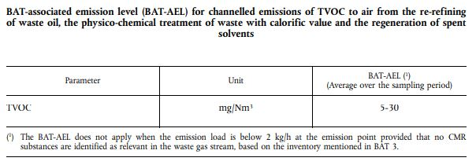
4.6 BAT conclusions for the thermal treatment of spent activated carbon, waste catalysts and excavated contaminated soil
4.6.1 Overall environmental performance
BAT 48 | In order to improve the overall environmental performance of the thermal treatment of spent activated carbon, waste catalysts and excavated contaminated soil, BAT is to use all of the techniques given below:
 | a) Heat recovery from the furnace off-gas Recovered heat may be used, for example, for preheating of combustion air or for the generation of steam, which is also used in the reactivation of the spent activated carbon. | Generally applicable.
 | b) Indirectly fired furnace An indirectly fired furnace is used to avoid contact between the contents of the furnace and the flue-gases from the burner(s). | Indirectly fired furnaces are normally constructed with a metal tube and applicability may be restricted due to corrosion problems. There may be also economic restrictions for retrofitting existing plants.
 | c) Process-integrated techniques to reduce emissions to air This includes techniques such as: — control of the furnace temperature and of the rotation speed of the rotary furnace; — choice of fuel; — use of a sealed furnace or operation of the furnace at a reduced pressure to avoid diffuse emissions to air. | Generally applicable.
4.6.2 Emissions to air
BAT 49 | In order to reduce emissions of HCl, HF, dust and organic compounds to air, BAT is to apply BAT 14d and to use one or a combination of the techniques given below | Please indicate which techniques are applied and why others are not appropriate.
 | a) cyclone See Section 6.1. The technique is used in combination with further abatement techniques.
 | b) electrostatic precipitator - See Section 6.1
...
E.g. EcoCentric
BATc No. | BATc Requirement: | Additional Description/ Applicability | Operator Response: Please complete the Green Boxes below. [Please incl. link or reference to supporting documentation. If the BAT Conclusion is not applicable, please explain why.] | Compliance Status: Please select from Drop Down List
5 BAT conclusons for the treatment of water based waste Unless otherwise stated, the BAT conclusions presented in Section 5 apply to the treatment of water-based liquid waste, and in addition to the general BAT conclusions in Section 1.
5.1 Overall environmental performance
BAT 52 | In order to improve the overall environmental performance, BAT is to monitor the waste input as part of the waste pre-acceptance and acceptance procedures (see BAT 2)
 | Monitoring the waste input, e.g. in terms of: — bioeliminability (e.g. BOD, BOD to COD ratio, Zahn-Wellens test, biological inhibition potential (e.g. inhibition of activated sludge)); — feasibility of emulsion breaking, e.g. by means of laboratory-scale tests.
5.2 Emissions to air
BAT 53 | In order to reduce emissions of HCl, NH3 and organic compounds to air, BAT is to apply BAT 14d and to use one or a combination of the techniques given below | Please indicate which techniques are applied and why others are not appropriate.
 | a) adsorption - See Section 6.1.
 | b) biofilter - See Section 6.1.
 | c) thermal oxidation - See Section 6.1.
 | d) wet scrubbing - See Section 6.1.
 | 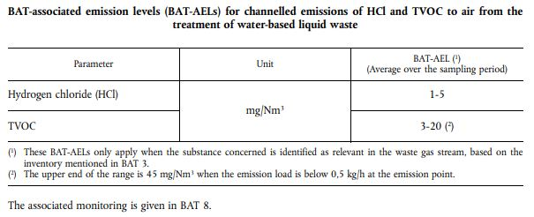
6 Description of Techniques
 | 6.1. Channelled emissions to air | See WT BATc for detailed technique information table
 | 6.2. Diffuse emissions of organic compounds to air | See WT BATc for detailed technique information table
 | 6.3. Emissions to water | See WT BATc for detailed technique information table
 | 6.4. Sorting techniques | See WT BATc for detailed technique information table
 | 6.5. Management techniques | See WT BATc for detailed technique information table

